Charts
EQUITY |  |  |  |  |  |  |  |  |  |  |  |  |  | OPTIONS

1. Portfolio Equity |  |  |  |  |  |  |  |  |  |  |  |  |  | 1. Portfolio Equity

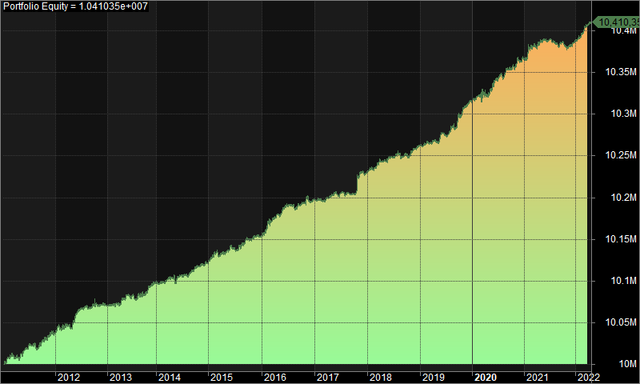
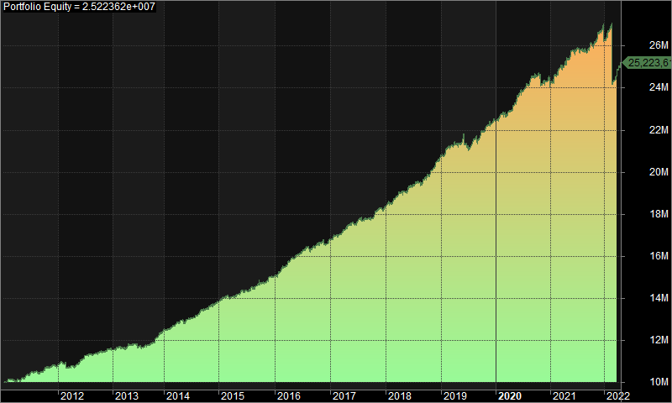

2. Underwater Equity |  |  |  |  |  |  |  |  |  |  |  |  |  | 2. Underwater Equity

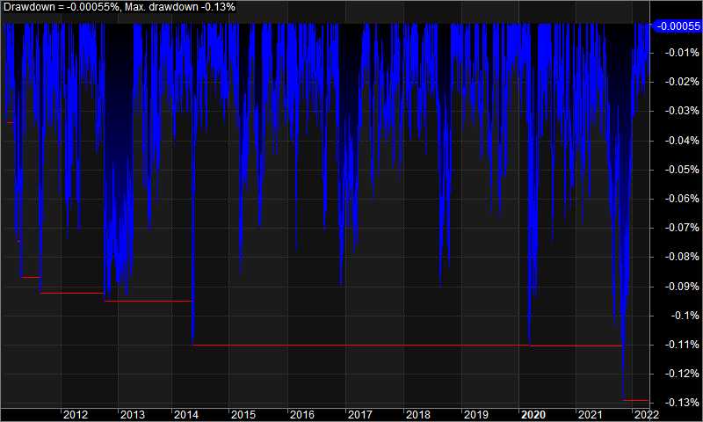
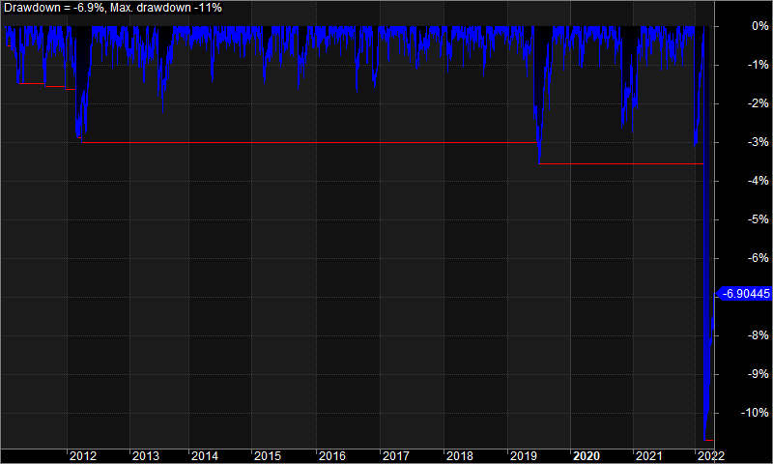

3. Profit Table |  |  |  |  |  |  |  |  |  |  |  |  |  | 3. Profit Table

Year | Jan | Feb | Mar | Apr | May | Jun | Jul | Aug | Sep | Oct | Nov | Dec | Yr% | Year | Jan | Feb | Mar | Apr | May | Jun | Jul | Aug | Sep | Oct | Nov | Dec | Yr%
2011 | 0.10% | 0.00% | 0.00% | 0.00% | 0.10% | 0.10% | 0.00% | 0.00% | 0.10% | 0.00% | 0.10% | 0.00% | 0.40% | 2011 | 1.80% | -0.30% | 0.30% | 0.00% | 1.80% | 1.60% | -0.10% | -0.30% | 2.20% | 0.10% | 1.20% | -0.20% | 8.30%
2012 | 0.10% | 0.00% | 0.00% | 0.00% | 0.20% | 0.10% | 0.00% | 0.00% | 0.00% | 0.00% | 0.00% | 0.00% | 0.30% | 2012 | 1.30% | -2.30% | 0.80% | 0.10% | 2.30% | 2.00% | 0.60% | 0.30% | 0.60% | 0.20% | 0.90% | -0.20% | 6.70%
2013 | 0.00% | 0.00% | 0.00% | 0.10% | 0.10% | 0.00% | 0.00% | 0.00% | 0.00% | 0.10% | 0.10% | 0.00% | 0.30% | 2013 | 0.90% | 0.00% | -0.40% | 1.20% | 0.80% | -1.50% | 0.10% | 0.60% | 0.80% | 2.00% | 2.00% | 1.40% | 8.20%
2014 | 0.00% | 0.00% | 0.00% | 0.00% | 0.00% | 0.00% | 0.00% | 0.00% | 0.00% | 0.00% | 0.00% | 0.00% | 0.20% | 2014 | 0.40% | 1.30% | 1.00% | 1.00% | 0.10% | 0.60% | 1.20% | 1.50% | 0.30% | 1.20% | 0.90% | 0.70% | 10.60%
2015 | 0.10% | 0.10% | 0.00% | 0.00% | 0.10% | 0.00% | 0.00% | 0.00% | 0.10% | 0.00% | 0.00% | 0.00% | 0.30% | 2015 | 1.40% | 0.80% | -0.50% | 0.60% | 1.30% | 0.40% | 0.80% | 0.30% | 1.20% | 0.10% | 1.70% | 0.20% | 8.70%
2016 | 0.10% | 0.10% | 0.10% | 0.00% | 0.10% | 0.00% | 0.00% | 0.00% | 0.00% | 0.00% | 0.00% | 0.00% | 0.40% | 2016 | 1.40% | 1.30% | 1.90% | 1.10% | 0.90% | 1.20% | 1.20% | -0.50% | 0.80% | 0.90% | -0.30% | 1.20% | 11.70%
2017 | 0.00% | 0.00% | 0.00% | 0.00% | 0.00% | 0.00% | 0.00% | 0.00% | 0.00% | 0.20% | 0.10% | 0.00% | 0.30% | 2017 | 1.30% | 0.00% | 1.30% | 1.20% | 0.80% | 0.40% | 0.00% | 0.70% | -0.10% | 2.10% | 0.70% | 0.60% | 9.50%
2018 | 0.00% | 0.00% | 0.10% | 0.00% | 0.00% | 0.00% | 0.00% | 0.00% | 0.00% | 0.00% | 0.00% | 0.00% | 0.30% | 2018 | 0.70% | 1.10% | 1.70% | 0.30% | 1.20% | 0.40% | 0.70% | 0.40% | 1.40% | 1.00% | 2.10% | 1.40% | 13.20%
2019 | 0.00% | 0.00% | 0.00% | 0.00% | 0.10% | 0.00% | 0.10% | 0.00% | 0.10% | 0.10% | 0.00% | 0.00% | 0.50% | 2019 | 1.50% | 0.60% | 0.30% | 0.40% | -0.40% | -0.70% | 1.70% | 0.10% | 2.00% | 1.00% | 0.60% | 0.60% | 7.90%
2020 | 0.00% | 0.00% | 0.00% | 0.00% | 0.10% | 0.10% | 0.10% | 0.10% | 0.00% | 0.00% | 0.10% | 0.00% | 0.50% | 2020 | 0.90% | 0.40% | 0.60% | 1.10% | 1.70% | 1.30% | 1.60% | 1.40% | 0.20% | -2.00% | 0.90% | -0.30% | 8.00%
2021 | 0.00% | 0.10% | 0.00% | 0.10% | 0.00% | 0.00% | 0.00% | 0.00% | 0.00% | -0.10% | 0.00% | 0.00% | 0.20% | 2021 | 1.20% | 1.30% | 0.60% | 1.40% | 1.60% | 0.20% | 0.20% | -0.10% | 1.00% | 0.30% | 1.70% | -1.40% | 8.20%
2022 | 0.10% | 0.00% | 0.10% | 0.00% | N/A | N/A | N/A | N/A | N/A | N/A | N/A | N/A | 0.20% | 2022 | 1.70% | -9.30% | 2.50% | 1.60% | N/A | N/A | N/A | N/A | N/A | N/A | N/A | N/A | -3.90%
Avg | 0.00% | 0.00% | 0.00% | 0.00% | 0.10% | 0.00% | 0.00% | 0.00% | 0.00% | 0.00% | 0.00% | 0.00% |  | Avg | 1.20% | -0.40% | 0.80% | 0.80% | 1.10% | 0.50% | 0.70% | 0.40% | 0.90% | 0.60% | 1.10% | 0.40%

